Sheet1
 | Document No. | Issue No. | Issue Date |  |  | Review and Replace Date |  | Authorised By
 | GFF265MC | 2 | 26.05.2021 |  |  | 23.12.2021 |  | Magda Shah
 | Document Title | Red Thai Vegetable Curry & Jasmine Rice 400g
Document amendments reason for change | Film Updated |  | Page 1 of 1 |  | Previous Issue Date |  | 26.05.2021 | Uncontrolled copy unless signed original

CVTHCR-R6TCC | DUNNES (CC) | Red Thai Vegetable Curry & Jasmine Rice 400g | CHILLED
STEP 1 |  |  |  | STEP 2
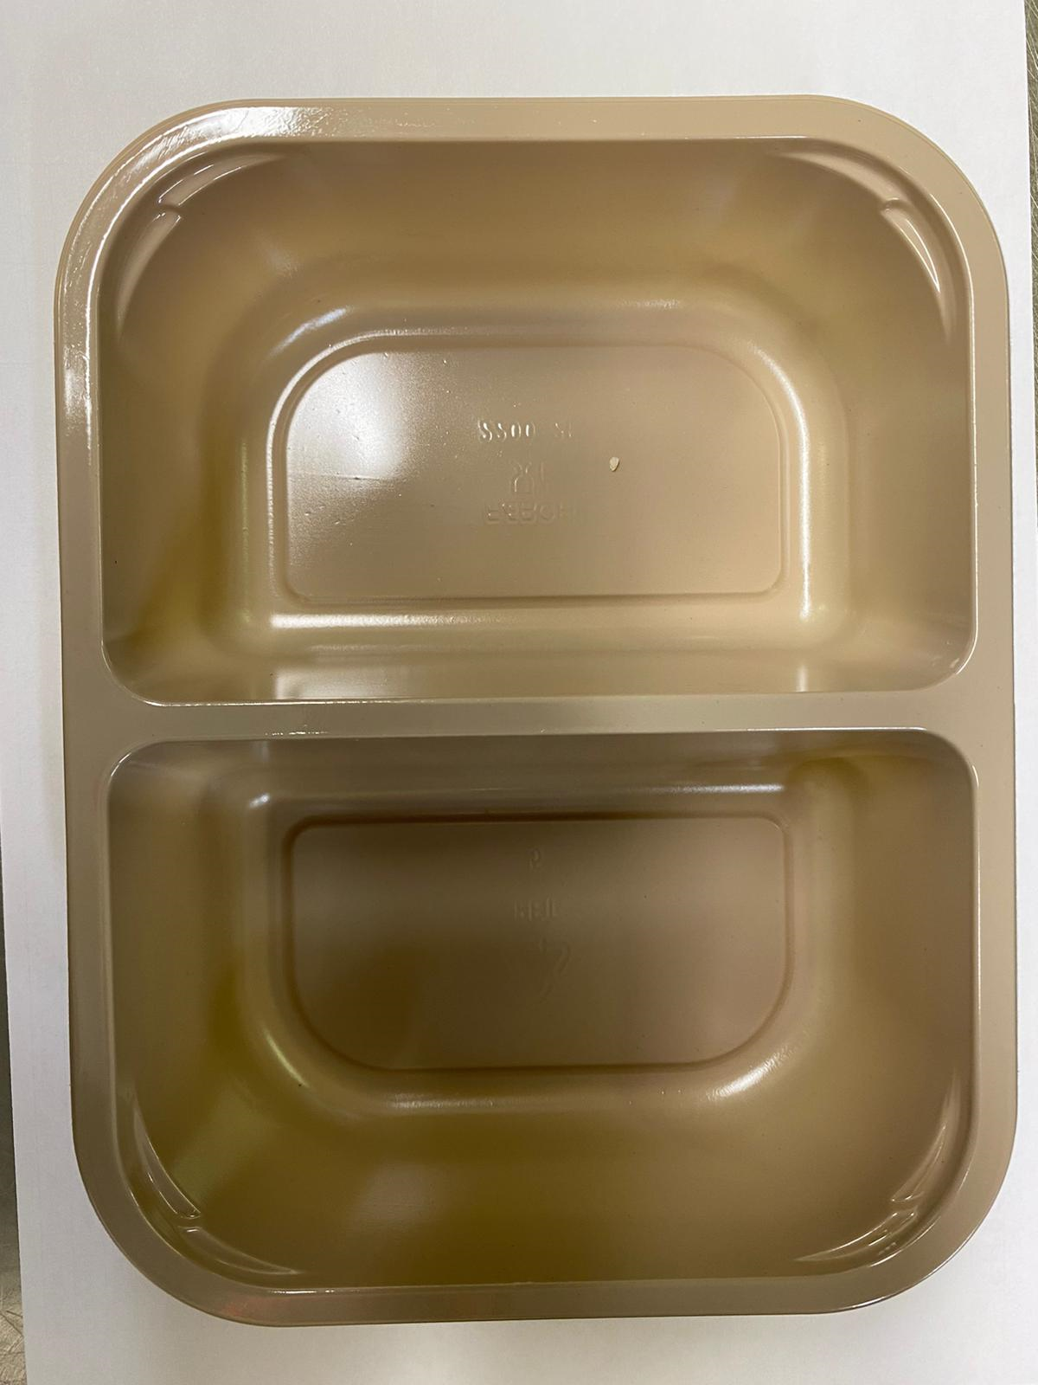 |  |  |  | 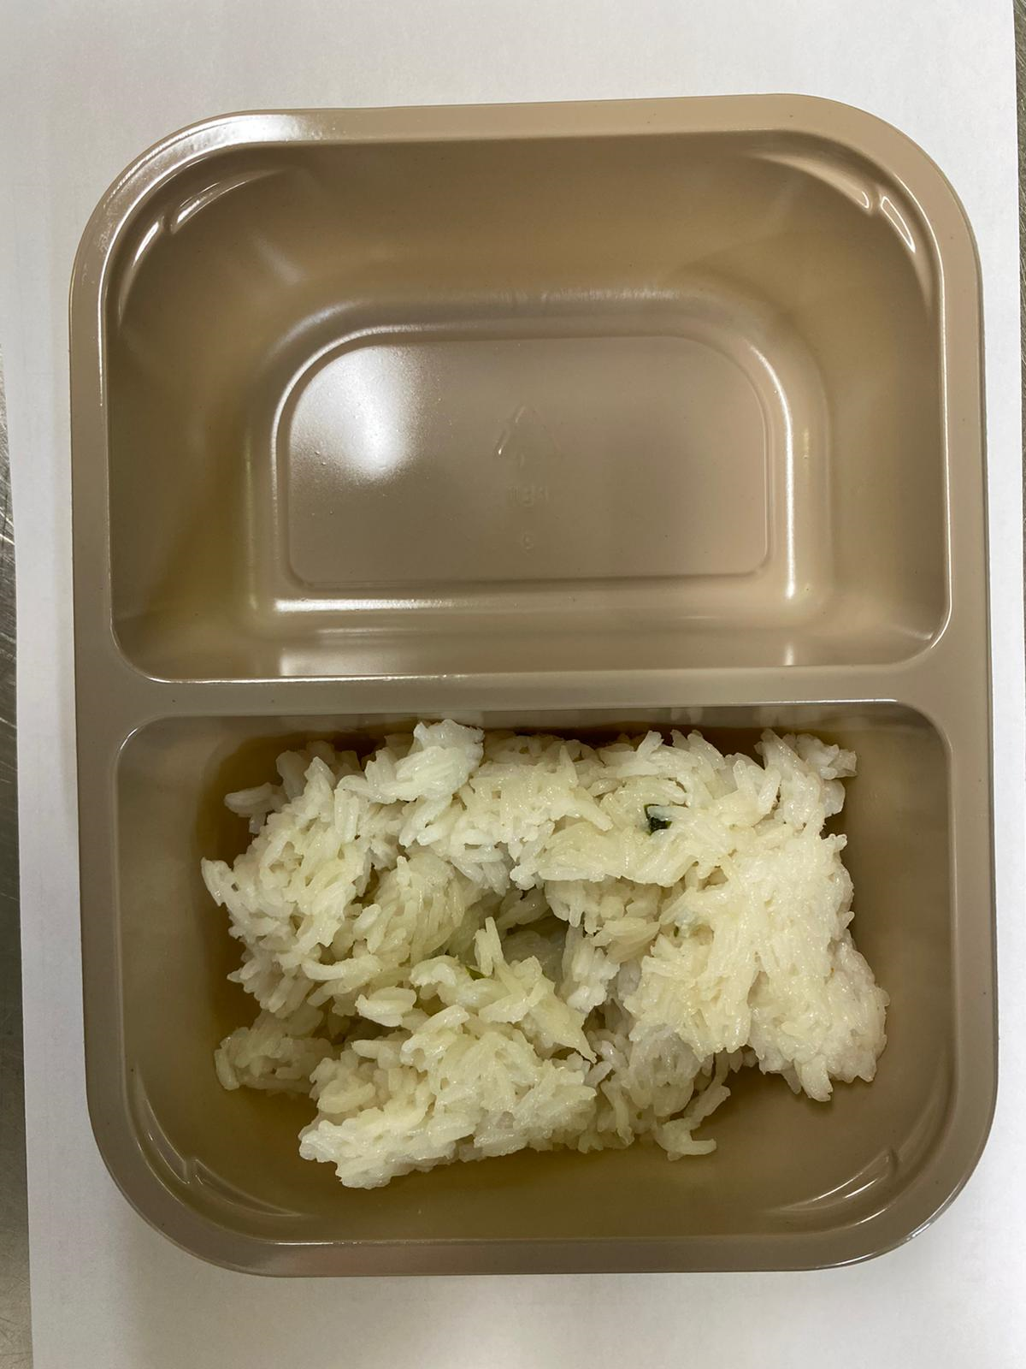

Tray: EVOLVE CPET 2200-2F (PKRHP001-10) |  |  |  | JASMINE RICE (GFF162R): 160g

Film: K peel 7G+25A/f- 275mm (275 mmX1000)(PKKMP001-03)

STEP 3
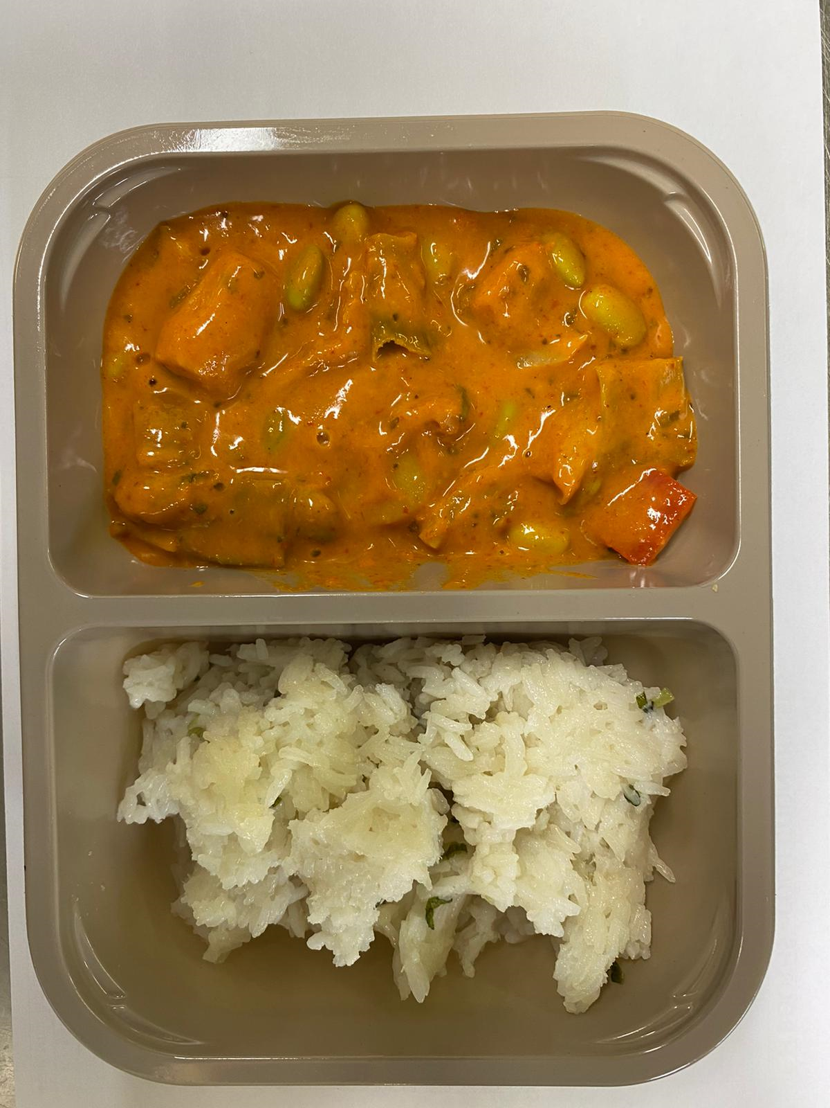 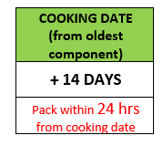

RED THAI VEGETABLE CURRY SAUCE (GFF210R): 240g |  |  |  | TOTAL WEIGHT: 400g

ALLERGY ALERT: SOYA, SESAME

